1. Title Page
Grocery Basket Analysis

Project Name: Instacart Grocery Basket Analysis
Date: October 6, 2023
Analyst Name: Angela Hamilton

Contents:
Population Flow
Consistency checks
Wrangling steps
Column derivations
Visualizations
Recommendations

Data Citation
“The Instacart Online Grocery Shopping Dataset 2017”, Accessed from
http://www.instacart.com/datasets/grocery-shopping-2017

2. Population Flow
Population flow

Exclusion flag
Condition: max_order < 5
Obervations to be removed: 1,358,862
Final total count of order_products_all: 30,630,852

Orders_products_combined
Orders_products_merged
Orders_products_all

Total: 32,406,041
Total: 32,434,489
Total: 30,630,852

3. Consistency checks
 |  |  |  | Title page
Consistency checks

Dataset | Missing values | Missing values treatment | Duplicates
orders | 206,209 missing values in the 'days_since_prior_order column. | Flagged values vs. removing | No duplicates found.
products | 16 missing values in the product_name column. | removed missing values from data set. | 5 duplicates found and removed from data set.
orders_products_prior | No missing values found. | N/A | No duplicates found.
customers | 11,259 missing values in first_name column | No treatment of missing values. Flagged by creating a subset of dataframe containing missing values. | No duplicates found.

4. Wrangling steps
 |  |  |  | Title page
Wrangling steps

Columns dropped | Columns renamed | Columns' type changed | Comment/Reason
"eval_set" |  |  | Unnecessary column in orders data set.
 | "order_dow" to orders_day_of_week" |  | column renamed in orders data set for clarification purposes.
 |  | ' order_id' | changed data type to 'int32' .
 |  | 'user_id' | changed data type to 'string' .
 |  | 'order_number' | changed data type to 'int32' .
 |  | 'days_since_prior_order' | changed data type to 'float16' .
 |  | 'orders_day_of_week' | changed data type to 'int8' .
 | "order_hour_of_day" to "order_time_of_day" |  | changed from an unintuitive name in orders data set.
"Unnamed: 0.1" |  |  | Unnecessary columns in orders data set.
"Unnamed: 0" |  |  | Unnecessary columns in orders data set.
 | First Name |  | changed to 'first_name' for consistency across column headings
 | Surnam | ? | changed to 'last_name' for clarity and consistency of column headings
 | Gender |  | changed to 'gender' to remove all caps for consistency across column headings
 | STATE |  | changed to 'state' to remove all caps / for column heading consistency
 | Age |  | changed to 'age' for column heading consistency
 | n_dependants |  | changed to 'num_dependants' for more clarification of column heading
first_name |  |  | PII data removed
last_name |  |  | PII data removed

5. Column derivations
 |  |  |  | Title page

Column derivations and aggregations

In this tab you should add tables below that the frequences of flags/label variables that you produced after deriving them. NB: don't do this for continuous variables, only for flags.
Dataset | New column | Column/s it was derived from | Conditions
df_ords_prods_merged | price_range_loc | prices | Low range product: <=5 Mid range product: >5 & <=15 High range product: > 15
df_ords_prods_merged | busiest_day | orders_day_of_week | Busiest day = 0 Least busy = 4 Regularly busy: all else
df_ords_prods_merged | busiest_days | orders_day_of_week | Busiest Days: = 0 or 1 Slowest Days: = 3 or 4 Regularly busy days: = all else
df_ords_prods_merged | busiest_period_of_day | orders_time_of_day | Most Orders value in: 9,10,11,12,13,14,15,16 Fewest Orders value in: 23,6,0,1,5,2,4,3 Average Orders value in: all else
df_ords_prods_merged | max_order | user_id order_number | Max number of orders for each user_id
df_ords_prods_merged | loyalty_flag | max_order | Loyal customer : > 40 Regular customer: <= 40 and >10 New customer: <= 10
df_ords_prods_merged | avg_price | user_id prices | Mean prices for each user_id
df_ords_prods_merged | spending_flag | avg_price | Low spender: avg price < 10 High spender: avg price >=10
df_ords_prods_merged | median_prior_orders | user_id days_since_prior_order | Median number of orders
df_ords_prods_merged | order_frequency_flag | median_prior_orders | Non-frequent customer: median_prior_orders >20 Regular customer: median_prior_orders <=20 & >10 Frequent customer; medan_prior_orders <=10
df_merged final dataset | region | states | Northeast = ['Maine', 'New Hampshire', 'Vermont', 'Massachusetts', 'Rhode Island', 'Connecticut', 'New York', 'Pennsylvania', 'New Jersey'] Midwest = ['Wisconsin', 'Michigan', 'Illinois', 'Indiana', 'Ohio', 'North Dakota', 'South Dakota', 'Nebraska', 'Kansas', 'Minnesota', 'Iowa', 'Missouri'] South = ['Delaware', 'Maryland', 'District of Columbia', 'Virginia', 'West Virginia', 'North Carolina', 'South Carolina', 'Georgia', 'Florida', 'Kentucky', 'Tennessee', 'Mississippi', 'Alabama', 'Oklahoma', 'Texas', 'Arkansas', 'Louisiana'] West = ['Idaho', 'Montana', 'Wyoming', 'Nevada', 'Utah', 'Colorado', 'Arizona', 'New Mexico', 'Alaska', 'Washington', 'Oregon', 'California', 'Hawaii']
df_merged final dataset | customer_activity | max_order | low activity: max_order < 5 high activity: max_order >= 5
df_merged final dataset | age_group | age | 18-29: age <= 29 30-39: age > 29 40-49: age > 39 50-59: age > 49 60-69: age > 59 70 and over: age > 69
df_merged final dataset | income_group | income | Lower: income <= 75000 Middle: income > 75000 & <= 120000 Upper: income > 120000
df_merged final dataset | customer_profile | dependants | Single adult: num_dependants = 0 Young parent: num_dependants > 0 Family: num_dependants <= 2 Big Family: num_dependants > 2

6. Visualizations
 |  |  |  | Title page

Visualisations

1. The sales team needs to know what the busiest hours of the day are (i.e., the times with the morst orders) in order to schedual ads at times when there are fewer orders.

Busiest hours of the day |  | Busiest Days of the Week
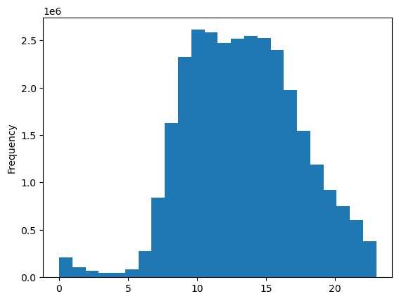
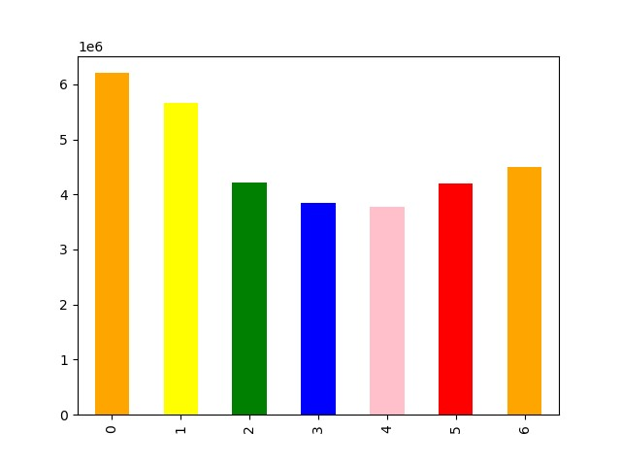

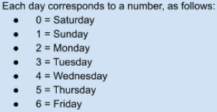

The histogram demonstrates the fluctuation in orders in a 24 hour period. We can defer from the histogram that fewer orders are made between the hours of 12-6am with the most orders being made between the hours of 9am -4pm. |  | In reviewing the bar chart, the busiest days of the week are Saturdays and Sundays.

2. They also want to know whether there's a difference in expenditure depending on the hour of the day.

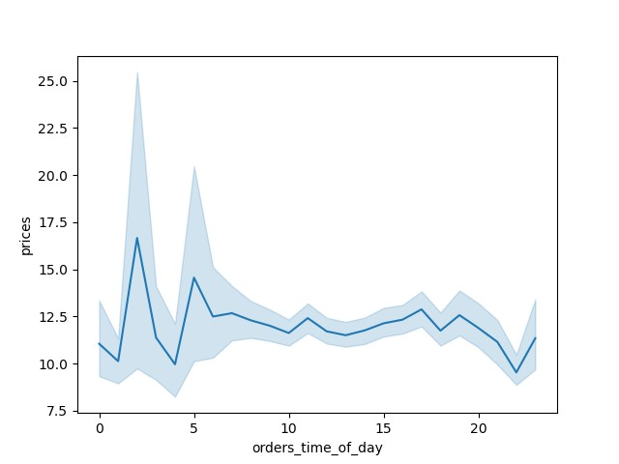

This line chart shows the relationship between prices and order times of the day. The expenditures appears higher around 2 am, and starts to dip around 4am, with a minor spike in orders around 5am.

3. Are there cerain types of products that are more popular than others? The marketing and sales team want to know which departments have the highest frequency of product orders.

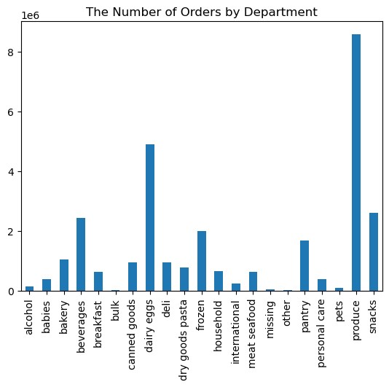

The two Departments with the highest frequency of orders are: 1) Produce 2) Dairy Eggs

4. Are there differences in ordering habits based on a customer's region?

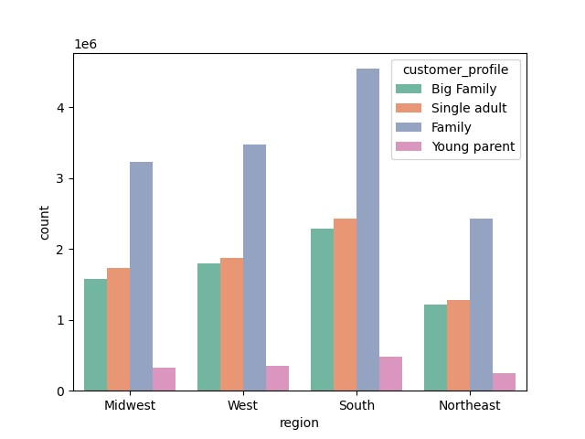

The above bar chart depicts that Families have the most orders across all regions, whereas, young parents have the least amount of orders.

5. Is there a connection between age and familty status in terms of ordering habits?

Distribution of Age Groups
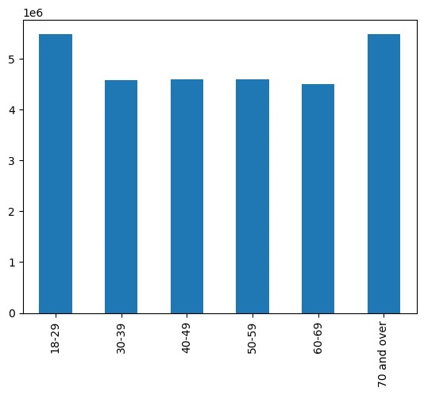
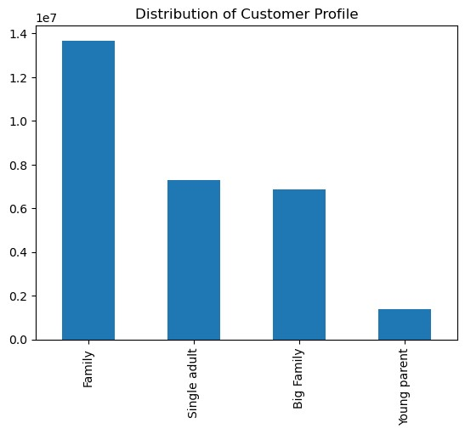

The age groups with the highest frequency of orders are: - Age groups between 18-29 - 70 years and older |  | Family customer profile has the highest frequency of orders, whereas, young parents have the lowest.

6. What's the distribution among users in regards to their brand loyalty (i.e., how often do they return to Instacart)?

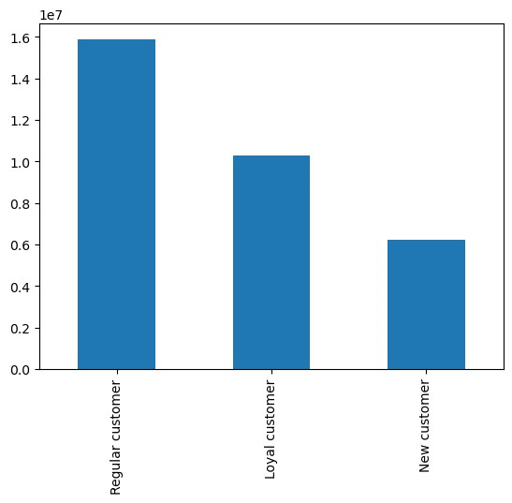

Based on the above bar chart, we can see that the most orders are being placed by Regular Customers with 1.5 orders, whereas, New customers have the least amount of orders.

7. What different clasifications does the demographic information suggests? Age? Income? Certain types of goods? Family Status?
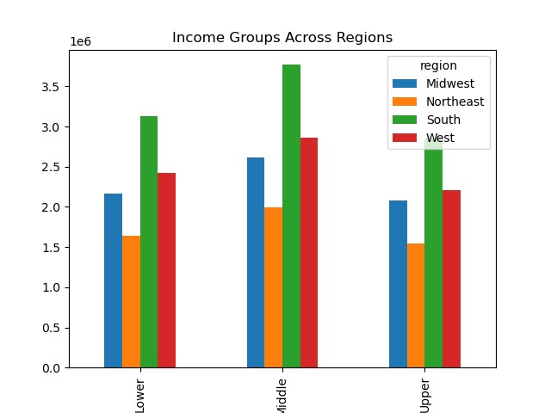
Distribution of Age Groups | Inome Groups Across Regions

 |  |  | The different classifications shows us that Age, Income, Family status plays a vital role in the how our customers shop and what products are being purchased more.

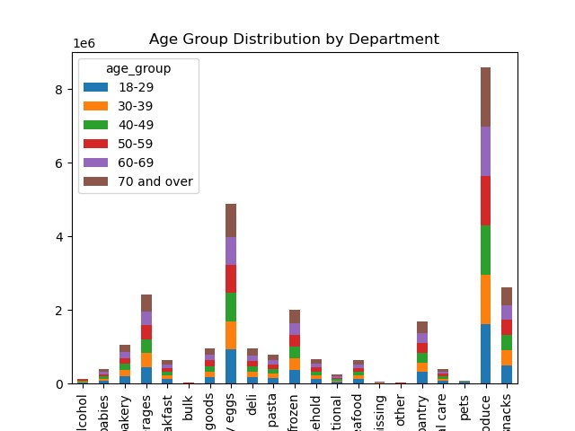

Ages between 18-29 & 70 plus make up approximately 60% of shoppers with an Income classification > $70,000 & <= $120,000 across US Regions. It appears that Produce and Dairy eggs are the most frequently purchased items amongst all age groups

7. Recommendations
 |  |  | Title page

Recommendations

Questions | Answer | Recommendation
1. Whare the busiest hours of the day and days of the week? | We can defer from the data collected that the busiest days of the week are Saturdays and Sundays, with most orders occurring between 9 a.m. and 4 p.m. | Since fewer orders occur between 12 – 6 a.m., Instacart can run ads and promotions that target the slower times of the day.
2. Are there certain times of the day when people spend more money? | The line chart shows the relationship between prices and order times of the day with spending power appearing higher around 2 a.m. and starts to dip around 4 a.m., with a minor spike in orders around 5 a.m. | Run advertisements and promotions on social media to gain more foot traffic to increase sales during this time. Since nocturnal shopping and web surfing are on the rise, advertisements on social media platforms would help to boost sales on top products.
3. Which products are more popular? Which departments has the most orders? | The produce and dairy products/departments are the most popular. | Because of the popularity of these products, I recommend more advertising during the busiest times of the day to increase customer traffic.
4. Are there differences in ordering habits based on a customer's region? | Families have the most orders across all regions, whereas young parents have the least. | Use social media marketing to advertise and promote baby products to young parents. Also, offer discounts to increase sales.
5. Is there a connection between age and familty status in terms of ordering habits? | Age groups between 18-29 and 70 years and older have the highest order frequency. Additionally, family customer profiles appear to have the highest frequency of orders, whereas young parents have the lowest order frequency. | First, look for trends to determine the interest and purchases for age groups between 30 and 69 that fall outside the family status. Second, advertise and offer discounts on top-searched items to increase sales.
6. What are the ordering habits based on customer's loyalty status? | Most orders are being placed by Regular Customers, with 1.5 orders, whereas New customers have the least amount of orders. | Mail out coupon books based on the last placed order for customers with at least one order and offer discounts on frequently purchased items.
7. What are the different classifications based on demographic information? | Ages between 18-29 & 70 plus comprise approximately 60% of shoppers with an Income classification > $70,000 & <= $120,000 across US Regions. Produce and Dairy eggs are the most frequently purchased items among all age groups. | Run promotions and discounts to increase sales across all age groups, income classifications, and regions.

